Sheet1
NCAA T-Shirt Vendor

Income: |  |  | Expense:
T-shirts have full price: | $18 | =18*1 | Fixed cost of any order: | $750 | =750*1
T-Shirts with low interest: | $6 | =6*1 | T-shirt order cost: | $11,600 | =8*1450

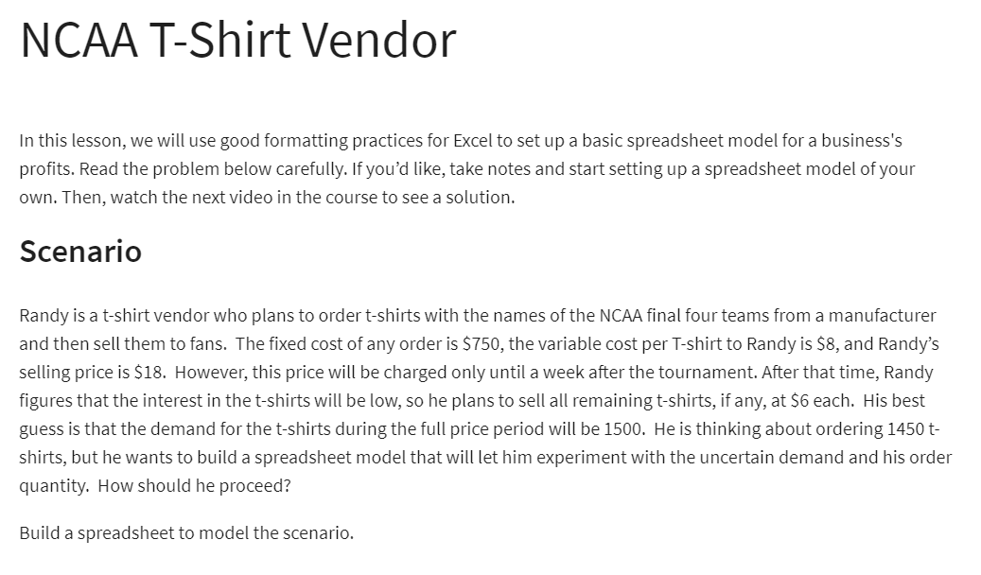
Givens:
Cost:
Fixed: | $750
Variable: | $8 | per shirt
Revenue:
Full price: | $18 | per shirt
Reduce price: | $6 | per shirt

Number of shirts ordered: | 1450
Demand: | 1500
Number of Shirts Sold (FP): | 1450 | =MIN(B16:B17)
Number of Shirts Sold (Reduce): | 0 | =MAX(B16-B18, 0)

Total Cost: | $12,350 | =B9+B10*B16
Total Revenue: | $26,100 | =B18*B12+B19*B13
Total Profit: | $13,750 | =B22-B21

